4 - Importancia da componente
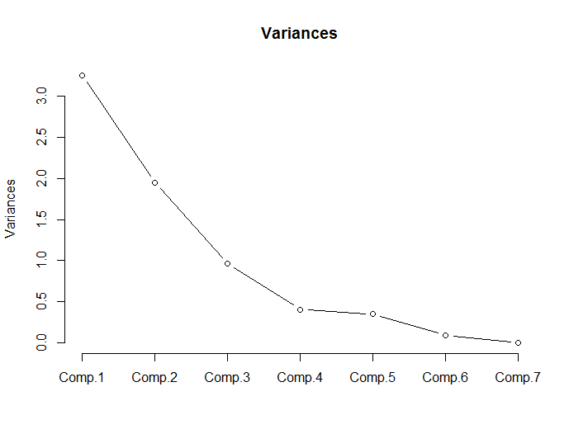
 | Comp.1 | Comp.2 | Comp.3 | Comp.4 | Comp.5 | Comp.6 | Comp.7
Standard deviation | 1.804045 | 1.396493 | 0.978975 | 0.635037 | 0.589080 | 0.294196 | 0.000310
Proportion of Variance | 0.464940 | 0.278599 | 0.136913 | 0.057610 | 0.049574 | 0.012364 | 0.000000
Cumulative Proportion | 0.464940 | 0.743539 | 0.880452 | 0.938062 | 0.987636 | 1.000000 | 1.000000

10 - analise fat (varimax)
